Application form
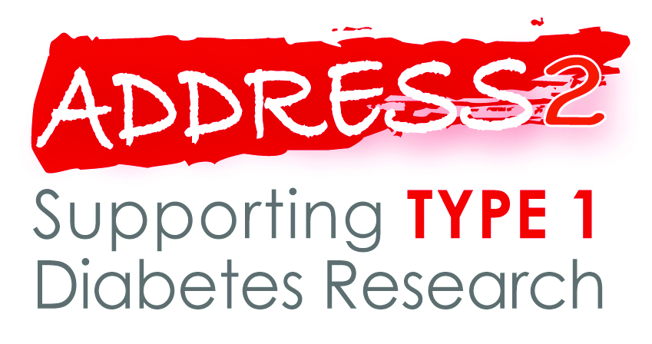 An incident and high risk type 1 diabetes cohort - After Diabetes Diagnosis REsearch Support System-2
Application for access to biological samples
Type of application
Principal applicant / CI
Address
Email
Telephone number
Contact person (if different to above)
Email
Telephone number

Address to which samples are to be sent
Is a purchase order required from your institution in order for the invoice covering sample extraction and transportation costs to be paid? If yes, please provide if application successful.
Contact person and address to which invoice should be sent

Purpose of the request
Title of the research
Summary of the research (enter in row below)

Source of research funding
Period of funding
Sponsor organisation
Does the research have ethics approval?
If not, please explain why
REC ref (UK) or equivalent
Is this study included in the NIHR CRN portfolio of studies?
Is this study funded as part of an NIHR BRC/BRU/CLAHRC/PSSQC?
Does this study meet the NIHR CRN portfolio eligibility criteria relating to funding and peer review?
IRAS/CSP ref
CRN ID

Brief description of proposed sample testing
Location of testing
Person and organisation responsible for samples
Location of sample storage
Person and organisation responsible for resulting data
Location of data

Participant selection criteria for samples
Sample volume required
Sample format (e.g. vials or well-plates)
Requirements for sample preparation and transportation
Participant data requested, with justification
Submit this application to the ADDRESS-2 Management Committee via the Study Co-ordinator, Helen Walkey (h.walkey@imperial.ac.uk). If the study is not included in the NIHR CRN Portfolio and no application is pending, and it is not funded as part of an NIHR BRC/BRU/CLAHRC/PSSQC, please provide written confirmation that the NIHR CRN Portfolio eligibility criteria relating to funding and peer review are met - see the document, 'Access to ADDRESS-2 biological samples v2.0, 20th April 2015' for details of the confirmation required.

